Recommendation
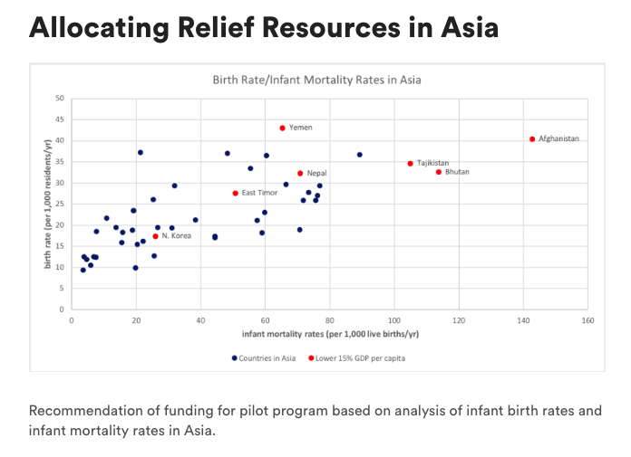
Studying the continent of Asia and comparing the birthrates with the infant mortality rate, it is recommended that Afghanistan and Tajikistan receive the initial funding of the pilot program to increase access to care for infants and mothers. Both countries are in the lower 15% of GDP per person within Asisa and offering funds and access to mothers and children may have a larger impact. As the program and grows, additional contries to consider may be Bhutan and Nepal. Additional information may be needed to understand why Laos has a higher infant mortality rate when compared with countries with a similar GDP. Conversely, additional studies into North Korea may be warranted to better understand the lower birth and mortality rates although the GDP per capital is low.
Birth Rate/Infant Mortality Rates in Asia
 | Countries in Asia |  | Lower 15% GDP per capita
50.47 | 27.75 | 50.47 | 27.75
142.48 | 40.63 | 142.48 | 40.63
65.02 | 43.23 | 65.02 | 43.23
25.66 | 17.61 | 25.66 | 17.61
113.43 | 32.78 | 113.43 | 32.78
104.68 | 34.82 | 104.68 | 34.82
70.57 | 32.46 | 70.57 | 32.46
75.94 | 27.28
70.35 | 19.15
66.08 | 29.9
88.94 | 36.93
57.16 | 21.39
76.53 | 29.59
30.83 | 19.58
55.16 | 33.66
59.59 | 23.28
71.51 | 26.09
75.34 | 26.06
38.09 | 21.49
15.22 | 16.12
31.67 | 29.54
60.13 | 36.71
18.86 | 23.68
24.98 | 26.3
25.26 | 12.96
26.43 | 19.68
73.17 | 28.02
44.17 | 17.23
21.83 | 16.37
58.73 | 18.36
44.2 | 17.59
21.01 | 37.47
19 | 23.7
19.51 | 10.09
47.94 | 37.2
18.59 | 19.02
10.57 | 21.83
6.65 | 12.74
4.42 | 12.07
13.5 | 19.68
7.37 | 18.67
7.31 | 12.6
20.03 | 15.68
15.58 | 18.48
3.57 | 12.75
5.63 | 10.71
3.3 | 9.61

Birth rate mean | 23.373191489 | Bottom 15% Birth rate mean | 32.754285714
Birth rate median | 21.49 | Bottom 15% Birth rate median | 32.78
Birth rate SD | 8.8211297971 | Bottom 15% Birth rate SD | 8.4706765907

Infant Mortality mean | 42.690638298 | Bottom 15% Infant Mortality mean | 81.758571429
Infant Mortality median | 31.67 | Bottom 15% Infant Mortality median | 70.57
infant Mortality SD | 32.345056904 | Bottom 15% infant Mortality SD | 40.304986221

results (5)
region_name | GDP Per capita | birth_rate | infant_mortality_rate
East Timor | 650 | 27.75 | 50.47
Afghanistan | 910 | 40.63 | 142.48 | Asia Birth rate mean | 23.373191489 | Bottom 15% Birth rate mean | 32.754285714
Yemen | 1040 | 43.23 | 65.02 | Asia Birth rate median | 21.49 | Bottom 15% Birth rate median | 32.78
North Korea | 1300 | 17.61 | 25.66 | Asia Birth rate SD | 8.8211297971 | Bottom 15% Birth rate SD | 8.4706765907
Tajikistan | 1690 | 32.78 | 113.43
Bhutan | 1690 | 34.82 | 104.68 | Asia Infant Mortality mean | 42.690638298 | Bottom 15% Infant Mortality mean | 81.758571429
Nepal | 1820 | 32.46 | 70.57 | Asia Infant Mortality median | 31.67 | Bottom 15% Infant Mortality median | 70.57
Cambodia | 2080 | 27.28 | 75.94 | Asia infant Mortality SD | 32.345056904 | Bottom 15% infant Mortality SD | 40.304986221
Burma | 2210 | 19.15 | 70.35
Birth Rate/Infant Mortality Rates in Asia
Bangladesh | 2340 | 29.9 | 66.08
Laos | 2340 | 36.93 | 88.94
Mongolia | 2470 | 21.39 | 57.16
Pakistan | 2600 | 29.59 | 76.53
Vietnam | 2990 | 19.58 | 30.83
Iraq | 3120 | 33.66 | 55.16
India | 3380 | 23.28 | 59.59
Uzbekistan | 3380 | 26.09 | 71.51
Kyrgyzstan | 3770 | 26.06 | 75.34
Indonesia | 4030 | 21.49 | 38.09
Sri Lanka | 4810 | 16.12 | 15.22
Syria | 4810 | 29.54 | 31.67
Maldives | 5070 | 36.71 | 60.13
Jordan | 5590 | 23.68 | 18.86
Philippines | 5980 | 26.3 | 24.98
China | 6110 | 12.96 | 25.26
Lebanon | 6240 | 19.68 | 26.43
Turkmenistan | 8710 | 28.02 | 73.17
Iran | 8840 | 17.23 | 44.17
Thailand | 9100 | 16.37 | 21.83
Kazakhstan | 9360 | 18.36 | 58.73
Turkey | 9490 | 17.59 | 44.2
Oman | 10790 | 37.47 | 21.01
Malaysia | 11440 | 23.7 | 19
Russia | 12610 | 10.09 | 19.51
Saudi Arabia | 14820 | 37.2 | 47.94
Bahrain | 19630 | 19.02 | 18.59
Kuwait | 22750 | 21.83 | 10.57
Taiwan | 23400 | 12.74 | 6.65
Macau | 24050 | 12.07 | 4.42
Brunei | 24180 | 19.68 | 13.5
Israel | 25350 | 18.67 | 7.37
South Korea | 25480 | 12.6 | 7.31
Qatar | 26130 | 15.68 | 20.03
United Arab Emirates | 28730 | 18.48 | 15.58
Singapore | 32760 | 12.75 | 3.57
Hong Kong | 35360 | 10.71 | 5.63
Japan | 37310 | 9.61 | 3.3

